Sheet1
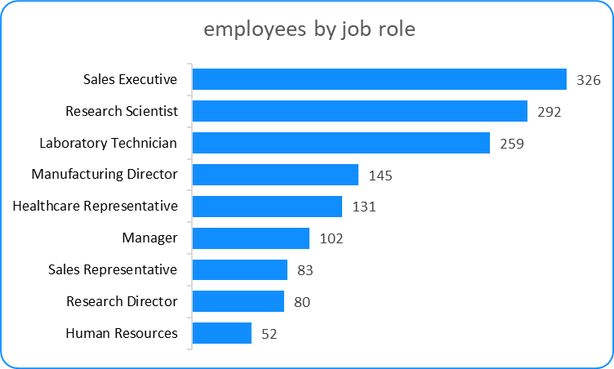
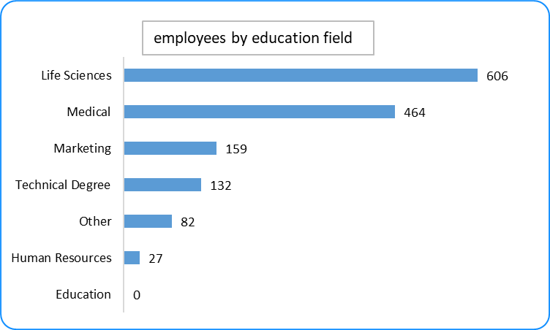
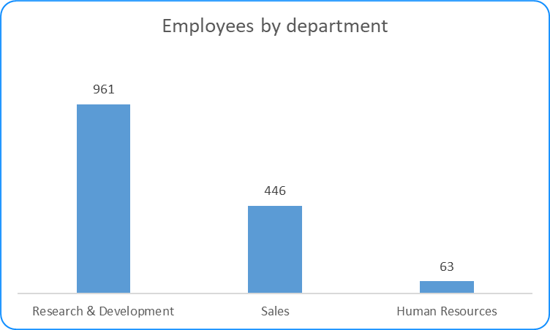
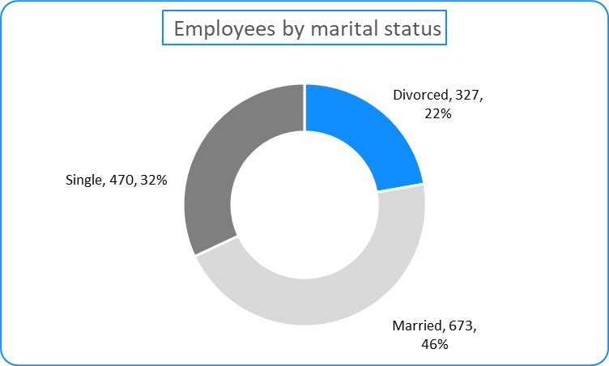
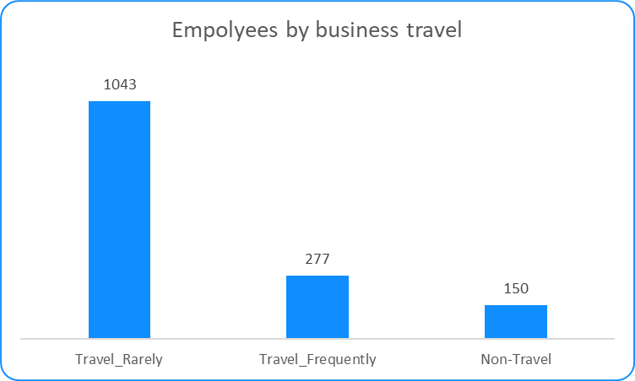
Employees by age
 | Total
18 | 8
19 | 9
20 | 11
21 | 13
22 | 16
23 | 14
24 | 26
25 | 26
26 | 39
27 | 48
28 | 48
29 | 68
30 | 60
31 | 69
32 | 61
33 | 58
34 | 77
35 | 78
36 | 69
37 | 50
38 | 58
39 | 42
40 | 57
41 | 40
42 | 46
43 | 32
44 | 33
45 | 41
46 | 33
47 | 24
48 | 19
49 | 24
50 | 30
51 | 19
52 | 18
53 | 19
54 | 18
55 | 22
56 | 14
57 | 4
58 | 14
59 | 10
60 | 5
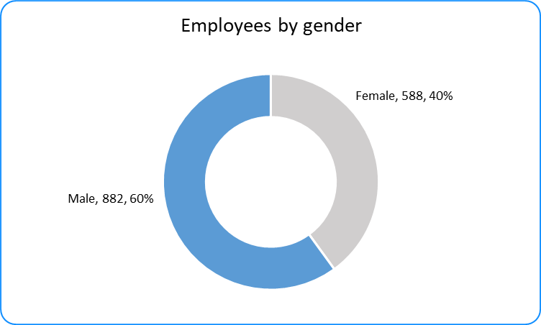
Employees by hourly rate
 | Total
30 | 19
31 | 15
32 | 24
33 | 19
34 | 12
35 | 18
36 | 18
37 | 18
38 | 13
39 | 17
40 | 18
41 | 21
42 | 28
43 | 24
44 | 18
45 | 24
46 | 25
47 | 16
48 | 28
49 | 18
50 | 16
51 | 22
52 | 26
53 | 14
54 | 26
55 | 16
56 | 26
57 | 27
58 | 17
59 | 21
60 | 23
61 | 20
62 | 23
63 | 16
64 | 19
65 | 19
66 | 29
67 | 19
68 | 14
69 | 15
70 | 16
71 | 18
72 | 25
73 | 24
74 | 20
75 | 20
76 | 19
77 | 21
78 | 23
79 | 27
...

